NAUTICA KIDS STOCK
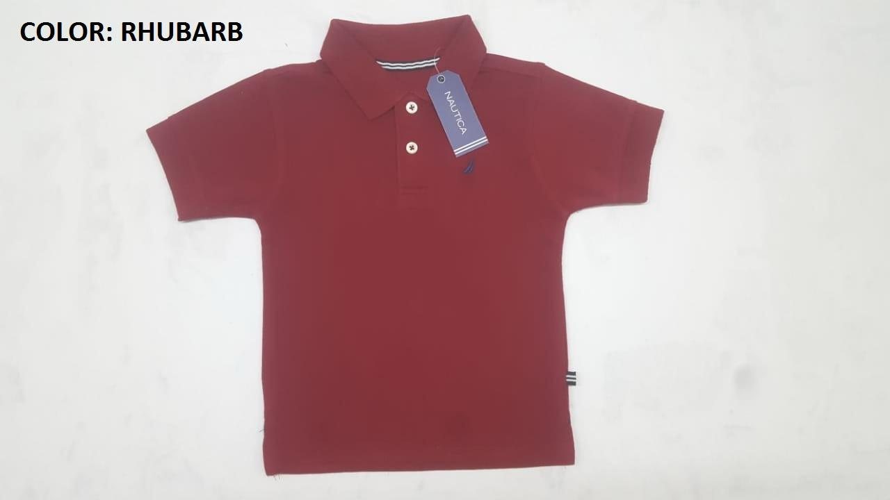
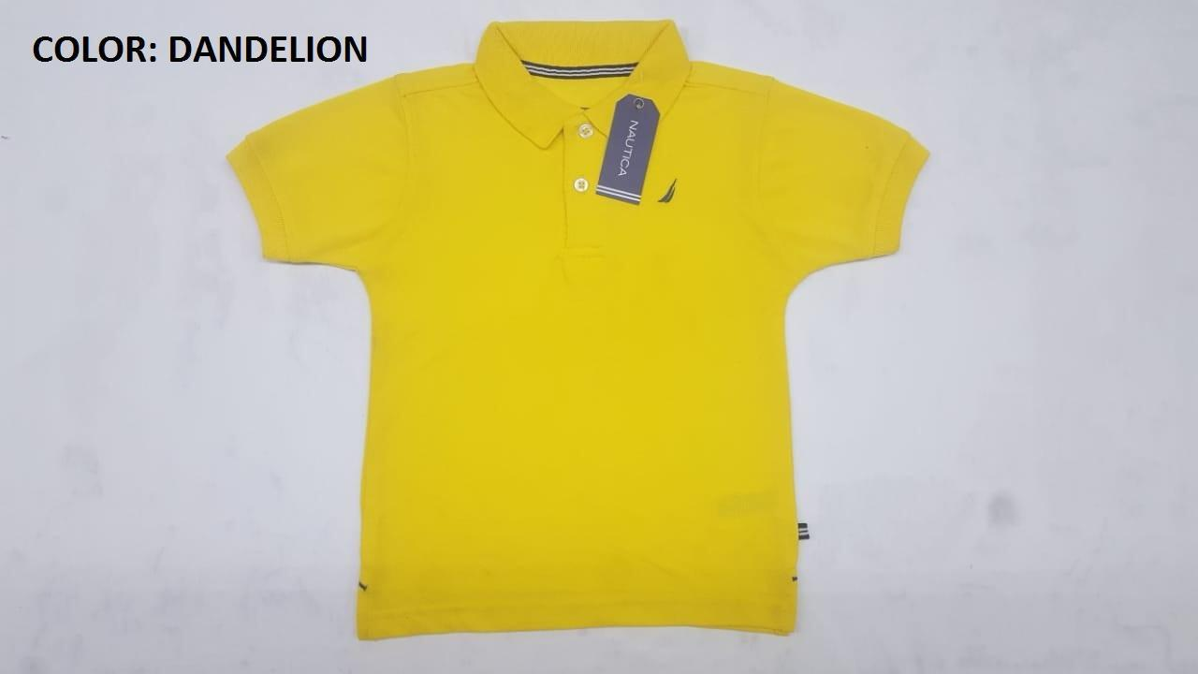

PACKING LIST
KIDS POLO
ORDER | COLOR | RATIO | SIZE | PCS PER CTN | TOTAL QTY | TOTAL CTN
4500510312 | RHUBARB | 1-2-2-1 | 8, 10/12, 14/16, 18/20 | 24 | 1104 | 46
4500510312 | RHUBARB | 2-2-2 | 2T-3T-4T | 24 | 432 | 18
TOTAL PCS AND CARTON |  |  |  |  | 1536 | 64
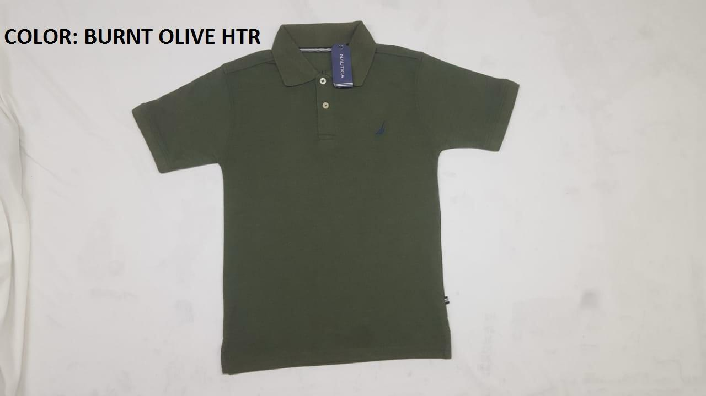
ORDER | COLOR | RATIO | SIZE | PCS PER CTN | TOTAL QTY | TOTAL CTN
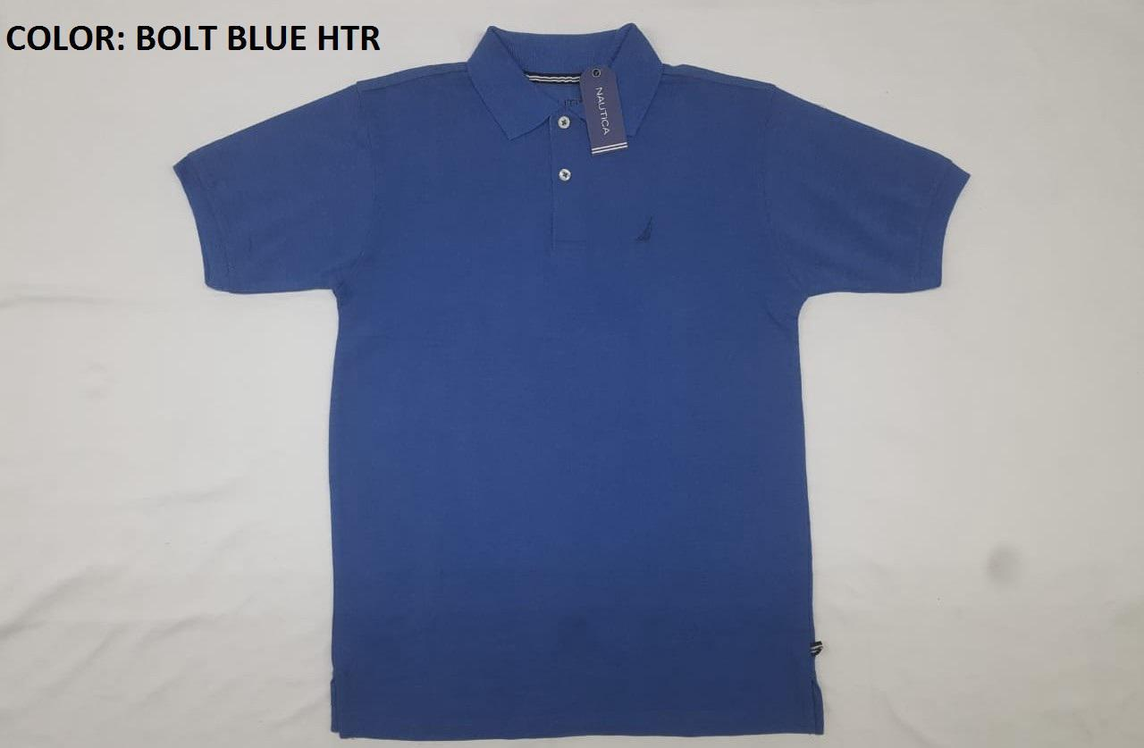
4500510312 | DANDELION | 1-2-2-1 | 8, 10/12, 14/16, 18/20 | 24 | 840 | 35
4500510312 | DANDELION | 1-2-2-1 | 4-5-6-7 | 24 | 432 | 18
TOTAL PCS AND CARTON |  |  |  |  | 1272 | 53
TOTAL PCS AND CARTON |  |  |  |  | 2808 | 117
ORDER | COLOR | RATIO | SIZE | PCS PER CTN | TOTAL QTY | TOTAL CTN
4500510312 | BOLT BLUE HTR | 2-2-2 | 2T-3T-4T | 24 | 600 | 25
TOTAL PCS AND CARTON |  |  |  |  | 600 | 25
ORDER | COLOR | RATIO | SIZE | PCS PER CTN | TOTAL QTY | TOTAL CTN
4500510312 | BURNT OLIVE HTR | 1-2-2-1 | 8, 10/12, 14/16, 18/20 | 24 | 408 | 17
TOTAL PCS AND CARTON |  |  |  |  | 408 | 17
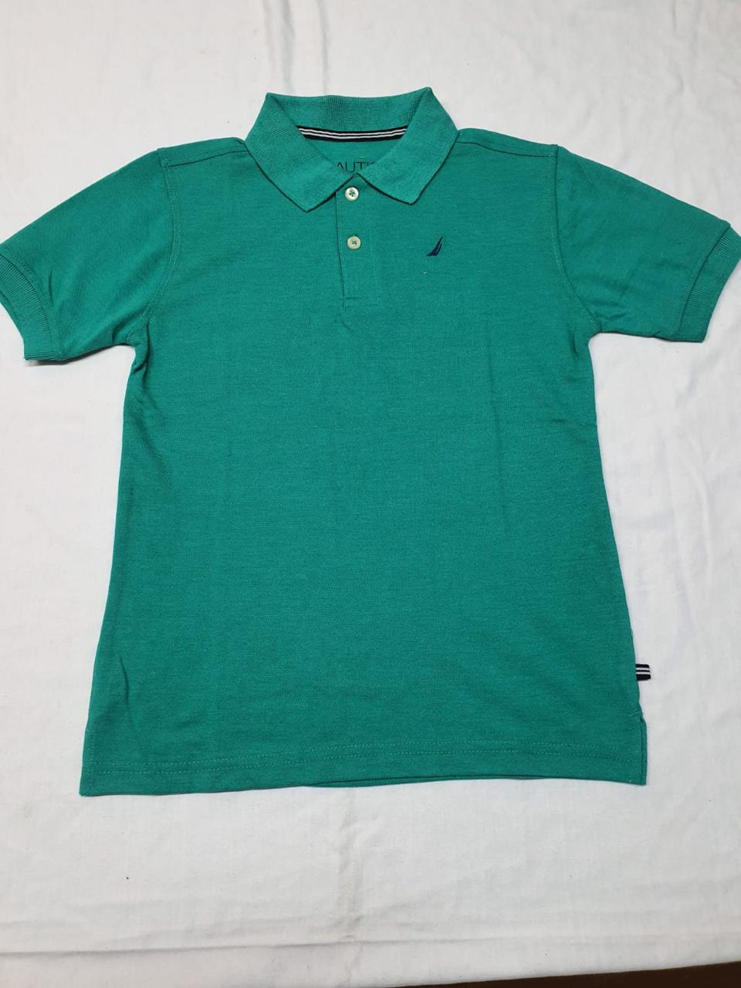
ORDER | COLOR | RATIO | SIZE | PCS PER CTN | TOTAL QTY | TOTAL CTN
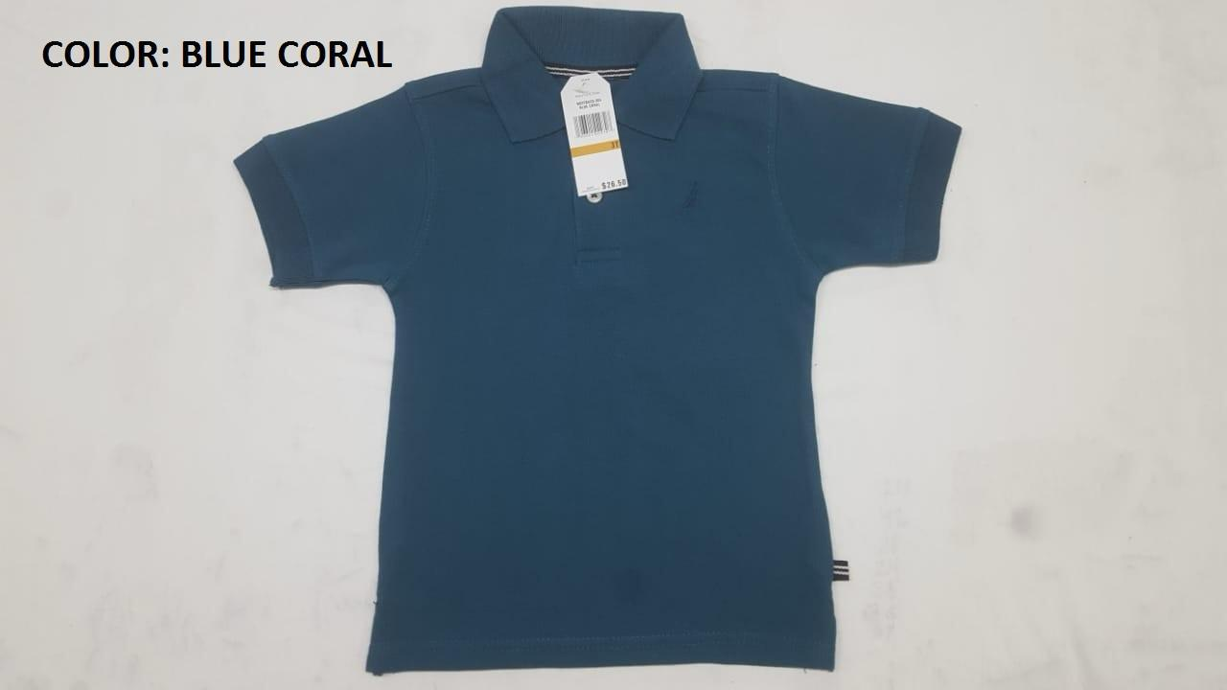
4500510312 | GREEN LAKE | 1-2-2-1 | 8, 10/12, 14/16, 18/20 | 24 | 1248 | 52
4500510312 | GREEN LAKE | 2-2-2 | 2T-3T-4T | 24 | 1056 | 44
TOTAL PCS AND CARTON |  |  |  |  | 2304 | 96
ORDER | COLOR | RATIO | SIZE | PCS PER CTN | TOTAL QTY | TOTAL CTN
4500510312 | BLUE CORAL | 2-2-2 | 2T-3T-4T | 24 | 1128 | 47
TOTAL PCS AND CARTON |  |  |  |  | 1128 | 47
GRAND TOTAL PCS AND CARTON |  |  |  |  | 7248 | 302
8 - 20 |  |  |  |  | 3600 | 150
4 - 7 |  |  |  |  | 432 | 18
2T-4T |  |  |  |  | 3216 | 134
 |  |  |  |  | 7248

